Sheet1
Diapers
Total Cases: |  | 1,466
Total Packs: |  | 4,328
Total Units: |  | 134,710
Total Value: |  | $62,691.74

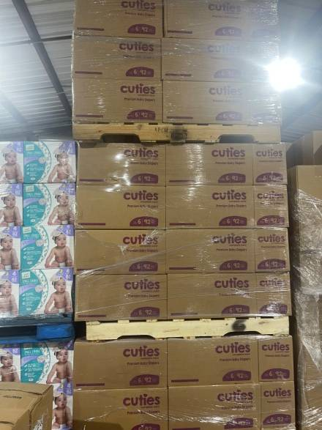
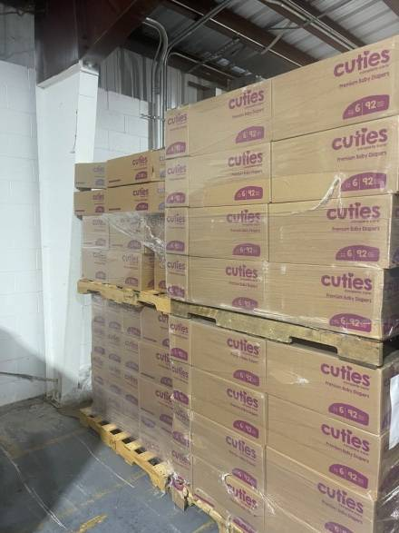
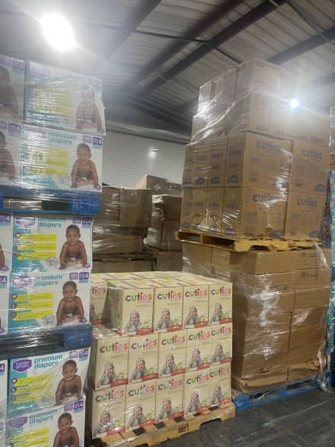
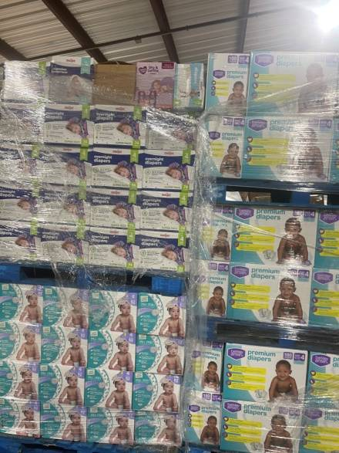

Pallet # | Brand | Description | Size | Units Per Pack | Packs Per Box | Total Per Box | # of Boxes | Total Units | Total Packs | MSRP Per Pack | Total MSRP
1 | Cuties | Diapers | 5 | 27 | 4 | 108 | 40 | 4320 | 160 | $16.98 | $2,716.80
2 | Cuties | Diapers | 5 | 27 | 4 | 108 | 16 | 1728 | 64 | $16.98 | $1,086.72
 | Cuties | Diapers | 5 | 25 | 8 | 200 | 6 | 1200 | 48 | $8.15 | $391.20
 | Cuties | Diapers | 7 | 20 | 4 | 80 | 12 | 960 | 48 | $16.00 | $768.00
3 | Cuties | Diapers | 6 | 23 | 4 | 92 | 48 | 4416 | 192 | $15.98 | $3,068.16
4 | Cuties | Diapers | 6 | 23 | 4 | 92 | 48 | 4416 | 192 | $15.98 | $3,068.16
5 | Cuties | Diapers | 6 | 23 | 4 | 92 | 19 | 1748 | 76 | $15.98 | $1,214.48
6 | Cuties | Sleepovers | LG/XL | 12 | 1 | 12 | 92 | 1104 | 92 | $16.99 | $1,563.08
7 | Topco | Training Pants - Boys | 3T/4T | 22 | 4 | 88 | 40 | 3520 | 160 | $9.99 | $1,598.40
8 | Meijers | Diapers | 3 | 32 | 4 | 128 | 41 | 5248 | 164 | $22.25 | $3,649.00
 | Gentle Steps | Diapers | 6 | 23 | 4 | 92 | 4 | 368 | 16 | $6.25 | $100.00
9 | Cuties | Diapers | 6 | 23 | 4 | 92 | 48 | 4416 | 192 | $15.98 | $3,068.16
10 | Meijers | Diapers | 3 | 104 | 1 | 104 | 13 | 1352 | 13 | $72.00 | $936.00
 | Earth & Eden | Sensitive Diapers | 4 | 192 | 1 | 192 | 6 | 1152 | 6 | $59.99 | $359.94
 | CVS | Nighttime Underwear | L/XL | 12 | 4 | 48 | 26 | 1248 | 104 | $12.49 | $1,298.96
11 | Kiddie Ups | 3T/4T | 3T/4T | 23 | 4 | 92 | 60 | 5520 | 240 | $11.37 | $2,728.80
12 | Meijers | Overnight Diapers | 4 | 74 | 1 | 74 | 70 | 5180 | 70 | $31.00 | $2,170.00
 | Parents Choice | Dry & Gentle | 2 | 144 | 1 | 144 | 2 | 288 | 2 | $17.48 | $34.96
 | Little Journey | Small Strides Diapers | 6 | 92 | 1 | 92 | 2 | 184 | 2 | $38.00 | $76.00
 | Meijers | Diapers | 4 | 92 | 1 | 92 | 1 | 92 | 1 | $38.00 | $38.00
 | Meijers | Nighttime Underwear | L/XL | 34 | 1 | 34 | 1 | 34 | 1 | $23.99 | $23.99
 | Gentle Steps | Diapers | 3 | 34 | 4 | 136 | 1 | 136 | 4 | $8.50 | $34.00
13 | Little Journey | Small Strides Diapers | 4 | 82 | 1 | 82 | 64 | 5248 | 64 | $16.25 | $1,040.00
14 | Berkley Jensen | Diapers | 4 | 180 | 1 | 180 | 20 | 3600 | 20 | $50.00 | $1,000.00
15 | Berkley Jensen | Diapers | 4 | 180 | 1 | 180 | 20 | 3600 | 20 | $50.00 | $1,000.00
16 | Berkley Jensen | Diapers | 4 | 180 | 1 | 180 | 20 | 3600 | 20 | $50.00 | $1,000.00
18 | Cuties | Diapers | 3 | 180 | 1 | 180 | 29 | 5220 | 29 | $37.99 | $1,101.71
19 | Parents Choice | Dry & Gentle | 2 | 144 | 1 | 144 | 6 | 864 | 6 | $17.48 | $104.88
 | Parents Choice | Gentle Dreams | 4 | 78 | 1 | 78 | 4 | 312 | 4 | $16.28 | $65.12
 | Parents Choice | Gentle Dreams | 5 | 66 | 1 | 66 | 1 | 66 | 1 | $16.28 | $16.28
 | Little Journey | Small Strides Diapers | 3 | 100 | 1 | 100 | 20 | 2000 | 20 | $27.00 | $540.00
 | Members Mark | Panales Diapers | 1 | 88 | 1 | 88 | 1 | 88 | 1 | $61.00 | $61.00
 | Cuties | Diapers | 6 | 23 | 4 | 92 | 18 | 1656 | 72 | $15.98 | $1,150.56
20 | Gentle Steps | Diapers | 7 | 20 | 4 | 80 | 63 | 5040 | 252 | $6.00 | $1,512.00
22 | Little Journey | Small Strides Diapers | 4 | 82 | 1 | 82 | 64 | 5248 | 64 | $16.25 | $1,040.00
23 | Little Journey | Small Strides Diapers | 4 | 82 | 1 | 82 | 64 | 5248 | 64 | $16.25 | $1,040.00
24 | Cuties | Diapers | 6 | 23 | 4 | 92 | 48 | 4416 | 192 | $15.98 | $3,068.16
25 | Cuties | Diapers | 6 | 23 | 4 | 92 | 12 | 1104 | 48 | $15.98 | $767.04
26 | Cuties | Diapers | 6 | 23 | 4 | 92 | 48 | 4416 | 192 | $15.98 | $3,068.16
27 | Cuties | Diapers | 6 | 23 | 4 | 92 | 48 | 4416 | 192 | $15.98 | $3,068.16
28 | Gentle Steps | Diapers | 5 | 27 | 4 | 108 | 40 | 4320 | 160 | $6.75 | $1,080.00
29 | Signature Care | Kiddie Ups | 4T/5T | 19 | 4 | 76 | 50 | 3800 | 200 | $13.25 | $2,650.00
 | Meijers | Diapers | 5 | 24 | 4 | 96 | 10 | 960 | 40 | $16.25 | $650.00
30 | Meijers | Training Pants - Boys | 3T/4T | 22 | 4 | 88 | 40 | 3520 | 160 | $7.99 | $1,278.40
31 | Gentle Steps | Diapers | 5 | 27 | 4 | 108 | 86 | 9288 | 344 | $6.75 | $2,322.00
32 | Cuties | Training Pants | 4T/5T | 19 | 4 | 76 | 40 | 3040 | 160 | $12.50 | $2,000.00
34 | Kidgets | Diapers | 4 | 28 | 4 | 112 | 5 | 560 | 20 | $6.25 | $125.00
 | Earth & Eden | Diapers | 5 | 172 | 1 | 172 | 3 | 516 | 3 | $52.99 | $158.97
 | Gentle Steps | Diapers | 6 | 21 | 4 | 84 | 1 | 84 | 4 | $6.25 | $25.00
 | Gentle Steps | Diapers | 3 | 120 | 1 | 120 | 5 | 600 | 5 | $34.00 | $170.00
 | Gentle Steps | Diapers | 3 | 100 | 1 | 100 | 1 | 100 | 1 | $30.00 | $30.00
 | Gentle Steps | Diapers | 4 | 68 | 1 | 68 | 2 | 136 | 2 | $20.00 | $40.00
 | Gentle Steps | Diapers | 5 | 27 | 4 | 108 | 1 | 108 | 4 | $6.75 | $27.00
 | Gentle Steps | Diapers | 5 | 58 | 1 | 58 | 1 | 58 | 1 | $17.00 | $17.00
 | Gentle Steps | Diapers | 6 | 48 | 1 | 48 | 1 | 48 | 1 | $14.00 | $14.00
 | Gentle Steps | Diapers | 5 | 27 | 4 | 108 | 1 | 108 | 4 | $7.75 | $31.00
 | Gentle Steps | Diapers | 4T/5T | 17 | 4 | 68 | 1 | 68 | 4 | $20.00 | $80.00
 | Gentle Steps | Youth Pants | L/XL | 12 | 4 | 48 | 5 | 240 | 20 | $2.50 | $50.00
 | Pach | Youth Pants | L/XL | 12 | 4 | 48 | 2 | 96 | 8 | $2.75 | $22.00
 | Meijers | Diapers | 7 | 60 | 1 | 60 | 2 | 120 | 2 | $14.00 | $28.00
 | Members Mark | Premium Diapers | Newborn | 108 | 1 | 108 | 3 | 324 | 3 | $16.98 | $50.94
 | Meijers | Training Pants | 3T/4T | 88 | 1 | 88 | 1 | 88 | 1 | $28.99 | $28.99
 | Little Journey | Small Strides Diapers | 3 | 100 | 1 | 100 | 1 | 100 | 1 | $27.00 | $27.00
 | Cuties | Diapers | 6 | 23 | 4 | 92 | 18 | 1656 | 72 | $15.98 | $1,150.56
 |  |  |  |  |  |  | 1466 | 134,710 | 4,328 |  | $62,691.74

